
 |  |  |  | CODE: |  |  | pl1071 aa SN from 98L000
DESCRIPTION: |  | HEAD 78: FLAP AND BOX |  | KOPF 78 | TETE 78 | CABEZA 78 | TESTATA 78:FLAP E CASSETTO

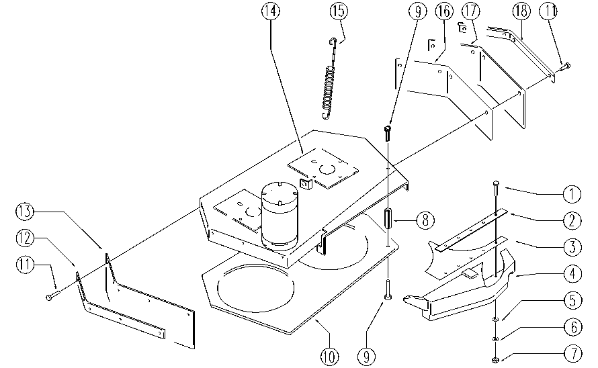

REF. | CODE | DESCRIPTION | QT
1 | E86734 | Screw | 5
2 | SL21133 | LAMINATION | 1
3 | E86635 | Plastic Part | 1
4 | E86898 | AS30/36 Dust Collector | 1
5 | E86768 | Washer | 5
6 | E86769 | Washer | 5
7 | E86735 | Nut | 5
8 | SL14205 | SPACER | 7
9 | E86970 | Screw - M4, 2-13 | 14
10 | SL03245 | GUARD | 1
11 | E89297 | Screw | 9
12 | E89489 | Lt. Strip | 1
13 | E86808 | Right Flap | 1
14 | SL03291 | GASKET | 2
15 | E86699 | Head Spring | 1
16 | E89494 | Reinforcement | 1
17 | E86807 | Left Flap | 1
18 | E89490 | Rt. Strip | 1

